Issues
Bug ID | Module Name | Title | Environment | Steps to reproduce | Expected Results | Actual Results | Bug Type | Priority | Severity | Screenshot / Video | Status | Requirement Traceability | Test Case Traceability
1 | FR 1 Adding Posts | Can’t select Layout theme when a user creates a story | Production | 1- Open the Facebook mobile application 2- Login with a valid username and password 3- Go to the Home page 4- Press create a post 5- Click on the layouts tab 6- Click on Themes and choose your background | check background should be changed based on user selection | check background not changed and no action happens | GUI | Medium | Medium | 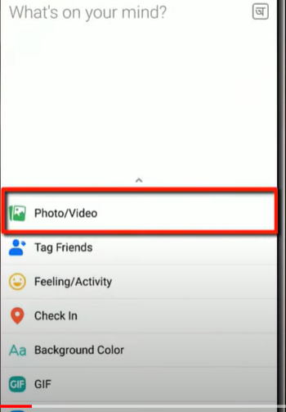 | Opened | FR 1 Adding Posts Module

